28000rpm
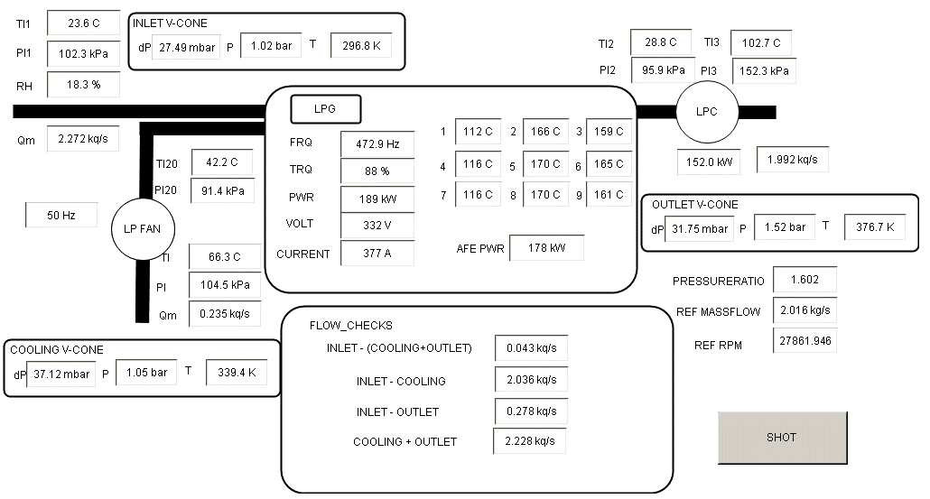
Ambient conditions in the beginning of test |  |  |  |  | Tamb: | 22.9 | C | pamb: | 102.3 | kPa | RH%: | 18.7
 |  |  | Compressor |  |  |  |  |  | Generator |  |  |  |  |  |  |  |  | Inverter |  |  |  | Cooling fan
Test point | Speed | Pressure | qm1 | p2 | T2 | p3 | T3 | qm3 | PT1 | PT2 | PT3 | PT4 | PT5 | PT6 | PT7 | PT8 | PT9 | Im | Vm | T | P | qm20 | p20 | T20
 | Hz | ratio | kg/s | kPa | C | kPa | C | kg/s | C | C | C | C | C | C | C | C | C | A | V | % | kW | kg/s | kPa | C

9:20:00 | 472.9 | 1.6 | 2.26 | 95.8 | 25.9 | 152 | 100 | N/A | 108 | 158 | 156 | 113 | 160 | 156 | 108 | 165 | 154 | 375 | 332 | 88 | 186 | 0.237 | 91.3 | 39.6 | Not stabilised
9:35:00 | 472.9 | 1.8 | 2.06 | 97.1 | 27.1 | 1733 | 105.8 | 1.98 | 111 | 162 | 159 | 115 | 166 | 162 | 113 | 168 | 159 | 360 | 332 | 85 | 180 | 0.241 | 92.2 | 41.3
9:50:00 | 472.9 | 1.9 | 1.88 | 98.2 | 28.4 | 184.5 | 111.4 | 1.74 | 111 | 163 | 160 | 117 | 168 | 162 | 113 | 169 | 160 | 346 | 332 | 81 | 172 | 0.245 | 93 | 42.4
10:10:00 | 472.9 | 2 | 1.6 | 99.5 | 29.8 | 196.8 | 117.6 | 1.43 | 109 | 162 | 155 | 113 | 166 | 160 | 111 | 166 | 157 | 313 | 332 | 72 | 154 | 0.251 | 93.8 | 43.1
10:15:00 | 472.9 | 1.6 | 2.25 | 95.9 | 28.8 | 152.1 | 102.8 | N/A | 111 | 165 | 158 | 115 | 170 | 162 | 112 | 170 | 161 | 376 | 332 | 88 | 188 | 0.235 | 91.5 | 42.4 | Not stabilised

Ambient conditions in the end of test |  |  |  |  | Tamb: | 23.6 | C | pamb: | 102.3 | kPa | RH%: | 18.3

9:35:00
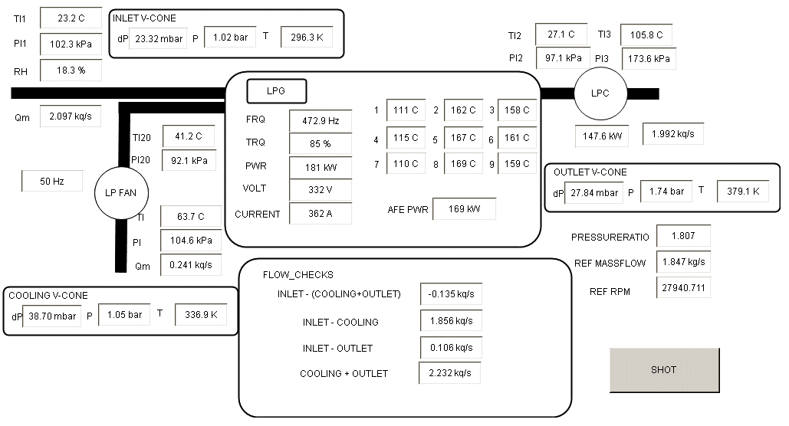

9:50:00
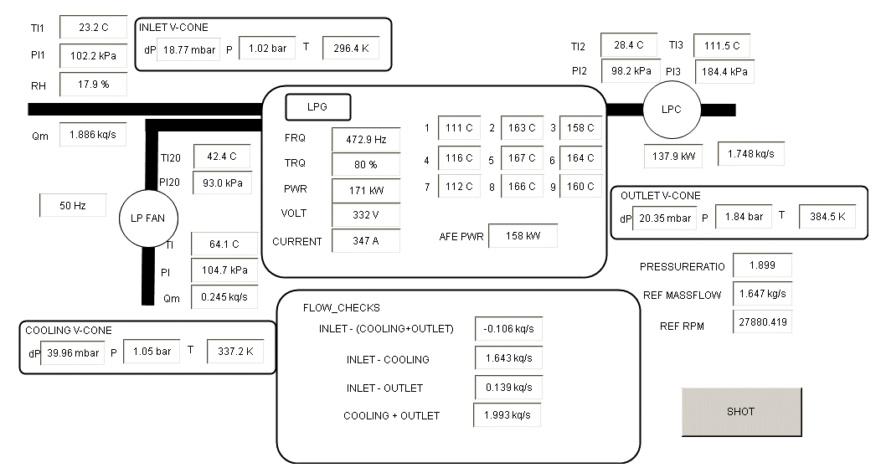

10:10:00
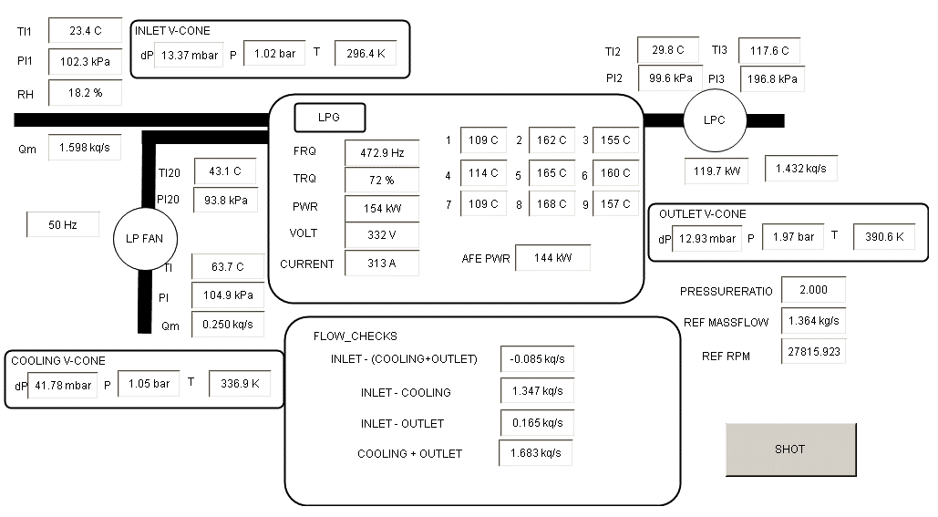

10:15:00

30000rpm
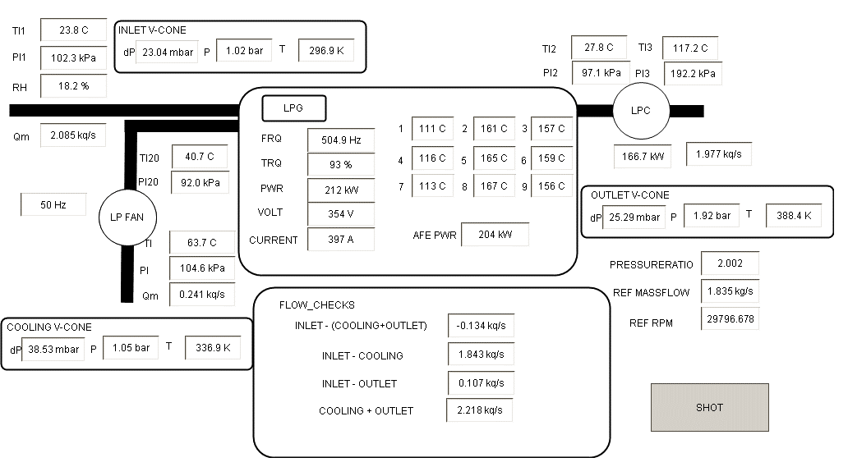
Ambient conditions in the beginning of test |  |  |  |  | Tamb: | 22.5 | C | pamb: | 102.3 | kPa | RH%: | 18.9
 |  |  | Compressor |  |  |  |  |  | Generator |  |  |  |  |  |  |  |  | Inverter |  |  |  | Cooling fan
Test point | Speed | Pressure | qm1 | p2 | T2 | p3 | T3 | qm3 | PT1 | PT2 | PT3 | PT4 | PT5 | PT6 | PT7 | PT8 | PT9 | Im | Vm | T | P | qm20 | p20 | T20
 | Hz | ratio | kg/s | kPa | C | kPa | C | kg/s | C | C | C | C | C | C | C | C | C | A | V | % | kW | kg/s | kPa | C

12:10:00 | 504.9 | 1.9 | 2.25 | 96.1 | 24.9 | 180.5 | 113.8 | 2.15 | 83 | 124 | 108 | 86 | 128 | 111 | 85 | 129 | 110 | 390 | 354 | 91 | 208 | 0.241 | 91.2 | 33 | Not stabilised
12:11:00 | 504.9 | 2 | 2.12 | 96.9 | 25.5 | 191.3 | 117.7 | 2.01 | 93 | 135 | 124 | 97 | 140 | 125 | 94 | 140 | 124 | 385 | 354 | 91 | 205 | 0.245 | 91.8 | 34.9 | Not stabilised
12:14:00 | 504.9 | 2.1 | 1.89 | 98.1 | 26.4 | 204.1 | 123.8 | 1.78 | 98 | 141 | 132 | 102 | 145 | 132 | 98 | 145 | 131 | 362 | 354 | 85 | 195 | 0.248 | 92.7 | 36.7 | Not stabilised
12:16:00 | 504.9 | 2.2 | 1.61 | 99.6 | 27.6 | 216.5 | 130.3 | 1.41 | 101 | 146 | 137 | 105 | 151 | 138 | 100 | 151 | 137 | 327 | 354 | 76 | 174 | 0.254 | 93.7 | 38.6 | Not stabilised
12:20:00 | 504.9 | 2.22 | 1.42 | 100.3 | 28.7 | 219.8 | 134.3 | 1.22 | 102 | 150 | 138 | 106 | 155 | 141 | 102 | 153 | 140 | 300 | 354 | 69 | 159 | 0.256 | 94.1 | 39.9 | Not stabilised
12:23:00 | 504.9 | 2.1 | 1.86 | 98.3 | 28.6 | 203.9 | 126.5 | 1.75 | 104 | 155 | 142 | 108 | 159 | 146 | 106 | 160 | 145 | 368 | 354 | 86 | 196 | 0.246 | 93 | 40.4 | Not stabilised
12:25:00 | 504.9 | 2 | 2.08 | 97.1 | 28.2 | 192 | 121.6 | 1.98 | 112 | 162 | 157 | 116 | 164 | 158 | 112 | 165 | 156 | 395 | 354 | 92 | 212 | 0.241 | 92.1 | 40.7 | Not stabilised

Ambient conditions in the end of test |  |  |  |  | Tamb: | 23.7 | C | pamb: | 102.3 | kPa | RH%: | 18

12:10:00
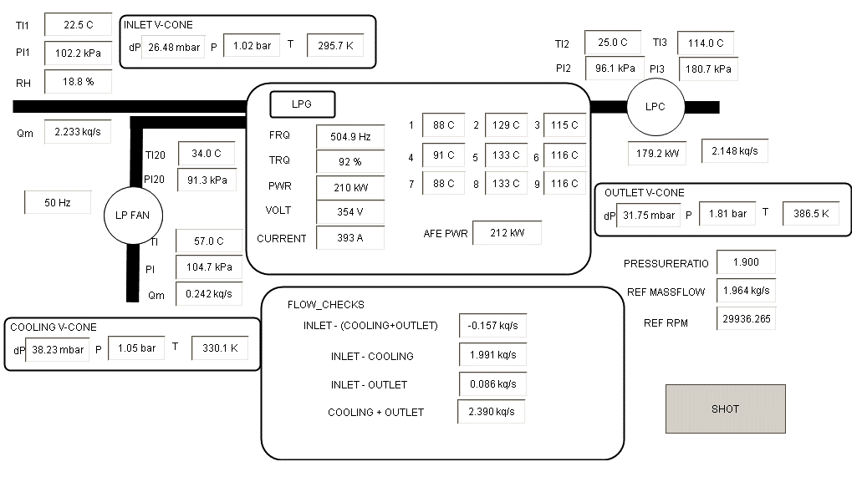

12:11:00


12:16:00
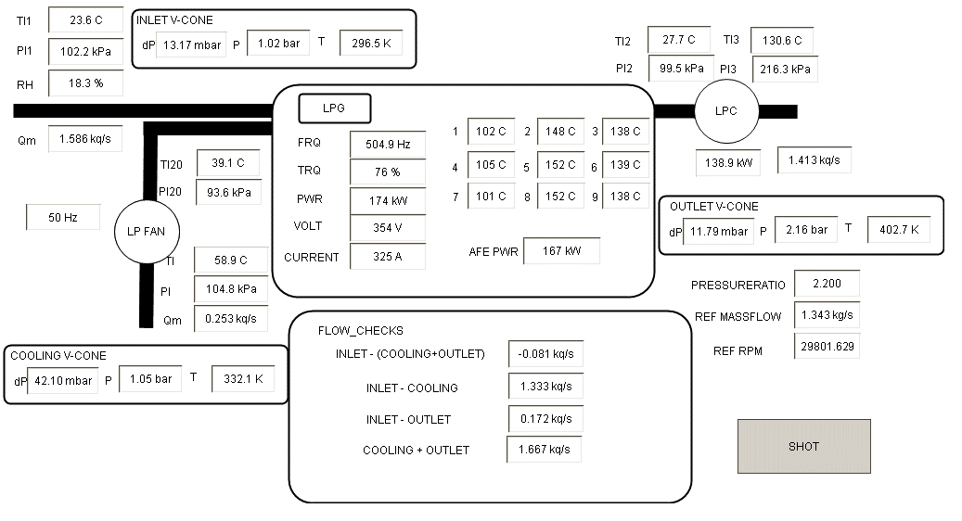

12:20:00


12:23:00
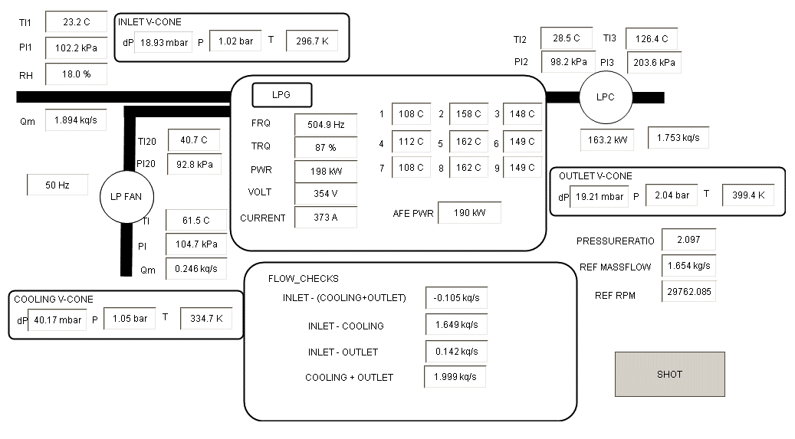

12:25:00

